GK Cash Flow 2024
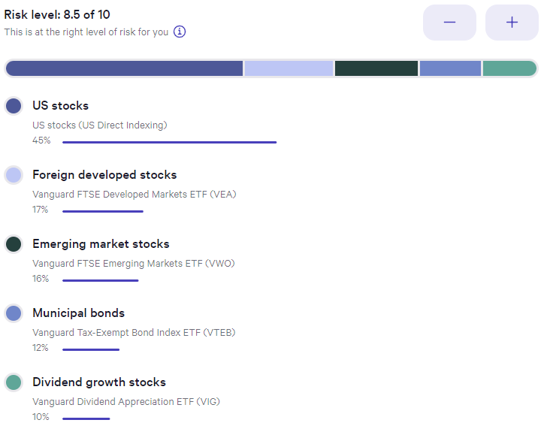
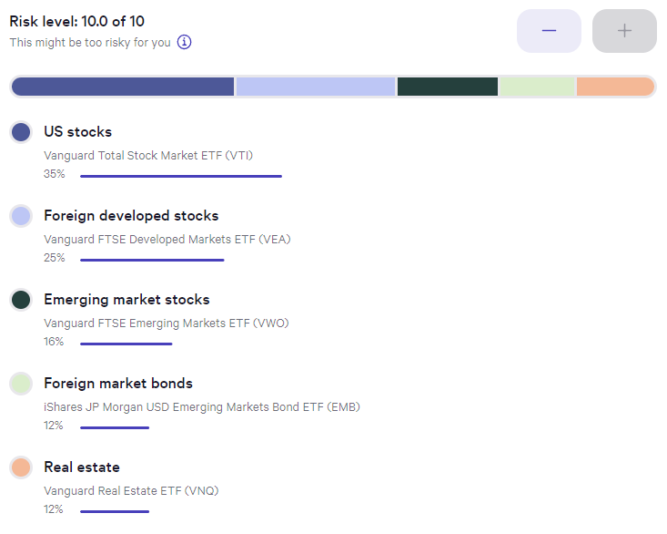
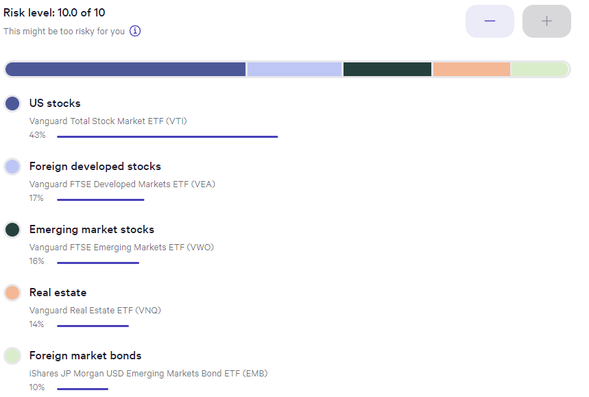
Date | Taxable | Taxable | Tax Free | Tax Free | Tax Deferred | Tax Deferred | Cash | Cash | Total Assets | Delta | Delta | Annual Periods | CPI-U | Inflated Withdrawal | Inflated Withdrawal | Withdrawal Delta | Guyton Klinger Upper | Guyton Klinger Upper | Guyton Klinger Lower | Guyton Klinger Lower | Guyton Klinger Pay Raise | Guyton Klinger Pay Cut | Guyton Klinger Adjustment | Annual Periods Adjustment | Paycheck | Paycheck Total | Paycheck Taxed | Pension | Pension Total | Social Security | Social Security Total | Social Security Taxed | Roth Conversion | Roth Conversion Total | Other Income | Other Income | Income | Income Total | Income Tax Total? | Spending Less Tax | Spending Less Tax Total | Invest | Invest | Invest Total | Cash Saved | Cash Saved | Cash Saved Total | Estimated Deductions | Taxable Income Total | Estimated Tax Withholding | Tax Target | Tax MFJ | Tax SF | Tax Rate | Married Filing Joint Tax | Single Filing Tax
2024-01-01 | $95,248.04 | 9.525% | $146,067.59 | 14.607% | $758,262.01 | 75.826% | $422.36 | 0.042% | $1,000,000.00 | $- | 0.00% | 52 | -0.03% | 5.000% | $50,000.00 | 0.00% | 20.00% | $60,000.00 | -20.00% | $40,000.00 | 10.00% | -10.00% | 5.000% | 0.0962% | $961.54 | $961.54 | 100% | $- | $- |  | $- | 85% |  | $- |  | $- | $961.54 | $961.54 | $- | $- | $- | 0% | $- | $- | 100% | $961.54 | $961.54 | $532.69 | $428.85 | $885.83 | 22% | 10% | 10% | 10% | $- | $-
2024-01-08 | $95,206.48 | 9.526% | $145,942.90 | 14.603% | $757,846.38 | 75.829% | $422.36 | 0.042% | $999,418.12 | $(581.88) | -0.06% | 52 | -0.03% | 4.999% | $49,958.41 | -0.08% | 20.00% | $60,000.00 | -20.00% | $40,000.00 | 10.00% | -10.00% | 4.999% | 0.0961% | $960.74 | $1,922.28 | 100% | $- | $- |  | $- | 85% |  | $- |  | $- | $960.74 | $1,922.28 | $- | $1,032.00 | $1,032.00 | 1% | $(0.71) | $(0.71) | 100% | $(71.26) | $890.28 | $532.69 | $1,389.58 | $885.83 | 22% | 10% | 10% | 12% | $22,000 | $11,000
2024-01-15 | $64,086.42 | 6.502% | $143,653.57 | 14.574% | $748,394.71 | 75.929% | $29,516.46 | 2.995% | $985,651.16 | $(13,766.96) | -1.38% | 52 | -0.03% | 4.998% | $49,257.92 | -1.40% | 20.00% | $60,000.00 | -20.00% | $40,000.00 | 10.00% | -10.00% | 4.998% | 0.0961% | $947.27 | $2,869.54 | 100% | $- | $- |  | $- | 85% |  | $- |  | $- | $947.27 | $2,869.54 | $- | $1,032.00 | $2,064.00 | 0% | $- | $(0.71) | 100% | $(84.73) | $805.54 | $532.69 | $2,336.85 | $885.83 | 22% | 10% | 10% | 22% | $89,450 | $44,725
2024-01-22 | $64,813.26 | 6.541% | $145,031.07 | 14.637% | $753,781.46 | 76.074% | $27,230.50 | 2.748% | $990,856.29 | $5,205.13 | 0.53% | 52 | -0.03% | 4.996% | $49,505.67 | 0.50% | 20.00% | $60,000.00 | -20.00% | $40,000.00 | 10.00% | -10.00% | 4.996% | 0.0961% | $952.03 | $3,821.58 | 100% | $- | $- |  | $- | 85% |  | $- |  | $- | $952.03 | $3,821.58 | $- | $1,032.00 | $3,096.00 | 0% | $- | $(0.71) | 100% | $(79.97) | $725.57 | $532.69 | $3,288.88 | $885.83 | 22% | 10% | 10% | 24% | $190,750 | $95,375
2024-01-29 | $64,007.01 | 6.465% | $145,031.07 | 14.649% | $753,781.46 | 76.136% | $27,230.50 | 2.750% | $990,050.04 | $(806.25) | -0.08% | 52 | 0.07% | 5.000% | $49,500.72 | -0.01% | 20.00% | $60,000.00 | -20.00% | $40,000.00 | 10.00% | -10.00% | 5.000% | 0.0962% | $951.94 | $4,773.51 | 100% | $- | $- |  | $- | 85% |  | $- |  | $- | $951.94 | $4,773.51 | $- | $1,032.00 | $4,128.00 | 0% | $- | $(0.71) | 100% | $(80.06) | $645.51 | $532.69 | $4,240.82 | $885.83 | 22% | 10% | 10% | 32% | $364,200 | $182,100
2024-02-05 | $63,591.38 | 6.426% | $145,031.07 | 14.655% | $753,781.46 | 76.168% | $27,230.50 | 2.752% | $989,634.41 | $(415.63) | -0.04% | 52 | 0.07% | 5.003% | $49,515.28 | 0.03% | 20.00% | $60,000.00 | -20.00% | $40,000.00 | 10.00% | -10.00% | 5.003% | 0.0962% | $952.22 | $5,725.73 | 100% | $- | $- |  | $- | 85% |  | $- |  | $- | $952.22 | $5,725.73 | $- | $1,032.00 | $5,160.01 | 0% | $- | $(0.71) | 100% | $(79.78) | $565.72 | $532.69 | $5,193.04 | $885.83 | 22% | 10% | 10% | 35% | $462,500 | $231,250
2024-02-12 | $62,760.12 | 6.347% | $145,031.07 | 14.667% | $753,781.46 | 76.232% | $27,230.50 | 2.754% | $988,803.15 | $(831.26) | -0.08% | 52 | 0.07% | 5.007% | $49,509.03 | -0.01% | 20.00% | $60,000.00 | -20.00% | $40,000.00 | 10.00% | -10.00% | 5.007% | 0.0963% | $952.10 | $6,677.83 | 100% | $- | $- |  | $- | 85% |  | $- |  | $- | $952.10 | $6,677.83 | $- | $1,032.00 | $6,192.01 | 0% | $- | $(0.71) | 100% | $(79.90) | $485.82 | $532.69 | $6,145.14 | $885.83 | 22% | 10% | 10% | 37% | $693,750 | $578,125
2024-02-19 | $62,564.47 | 6.150% | $148,623.79 | 14.608% | $778,863.08 | 76.555% | $27,338.62 | 2.687% | $1,017,389.95 | $28,586.80 | 2.89% | 52 | 0.07% | 5.011% | $50,976.74 | 2.96% | 20.00% | $60,000.00 | -20.00% | $40,000.00 | 10.00% | -10.00% | 5.011% | 0.0964% | $980.32 | $7,658.15 | 100% | $- | $- |  | $- | 85% |  | $- |  | $- | $980.32 | $7,658.15 | $- | $1,032.00 | $7,224.01 | 0% | $- | $(0.71) | 100% | $(51.68) | $434.14 | $532.69 | $7,125.46 | $885.83 | 22% | 10% | 10%
2024-02-26 | $61,358.43 | 5.962% | $150,546.13 | 14.629% | $787,550.98 | 76.530% | $29,624.58 | 2.879% | $1,029,080.12 | $11,690.17 | 1.15% | 52 | 0.07% | 5.014% | $51,599.31 | 1.22% | 20.00% | $60,000.00 | -20.00% | $40,000.00 | 10.00% | -10.00% | 5.014% | 0.0964% | $992.29 | $8,650.44 | 100% | $- | $- |  | $- | 85% |  | $- |  | $- | $992.29 | $8,650.44 | $- | $1,032.00 | $8,256.01 | 0% | $- | $(0.71) | 100% | $(39.71) | $394.43 | $532.69 | $8,117.75 | $885.83 | 22% | 10% | 10%
2024-03-04 | $61,291.20 | 5.987% | $150,909.74 | 14.740% | $771,019.66 | 75.309% | $40,591.82 | 3.965% | $1,023,812.42 | $(5,267.70) | -0.51% | 52 | 0.07% | 5.018% | $51,371.85 | -0.44% | 20.00% | $60,000.00 | -20.00% | $40,000.00 | 10.00% | -10.00% | 5.018% | 0.0965% | $987.92 | $9,638.36 | 100% | $- | $- |  | $- | 85% |  | $- |  | $- | $987.92 | $9,638.36 | $- | $1,032.00 | $9,288.01 | 0% | $- | $(0.71) | 100% | $(44.08) | $350.35 | $532.69 | $9,105.67 | $885.83 | 22% | 10% | 10%
2024-03-11 | $59,760.27 | 5.820% | $152,879.15 | 14.889% | $771,019.66 | 75.090% | $43,139.21 | 4.201% | $1,026,798.28 | $2,985.86 | 0.29% | 52 | 0.07% | 5.021% | $51,558.48 | 0.36% | 20.00% | $60,000.00 | -20.00% | $40,000.00 | 10.00% | -10.00% | 5.021% | 0.0966% | $991.51 | $10,629.87 | 100% | $- | $- |  | $- | 85% |  | $- |  | $- | $991.51 | $10,629.87 | $- | $1,032.00 | $10,320.01 | 0% | $- | $(0.71) | 100% | $(40.49) | $309.86 | $532.69 | $10,097.18 | $885.83 | 22% | 10% | 10%
2024-03-18 | $59,706.63 | 5.672% | $151,769.77 | 14.417% | $798,328.41 | 75.838% | $42,877.79 | 4.073% | $1,052,682.59 | $25,884.31 | 2.52% | 52 | 0.12% | 5.027% | $52,921.63 | 2.64% | 20.00% | $60,000.00 | -20.00% | $40,000.00 | 10.00% | -10.00% | 5.027% | 0.0967% | $1,017.72 | $11,647.60 | 100% | $- | $- |  | $- | 85% |  | $- |  | $- | $1,017.72 | $11,647.60 | $- | $1,032.00 | $11,352.01 | 0% | $- | $(0.71) | 100% | $(14.28) | $295.58 | $532.69 | $11,114.90 | $885.83 | 22% | 10% | 12%
2024-03-25 | $58,567.45 | 5.488% | $153,704.75 | 14.404% | $811,969.98 | 76.090% | $42,877.79 | 4.018% | $1,067,119.98 | $14,437.38 | 1.37% | 52 | 0.12% | 5.033% | $53,711.82 | 1.49% | 20.00% | $60,000.00 | -20.00% | $40,000.00 | 10.00% | -10.00% | 5.033% | 0.0968% | $1,032.92 | $12,680.52 | 100% | $- | $- |  | $- | 85% |  | $- |  | $- | $1,032.92 | $12,680.52 | $- | $1,032.00 | $12,384.01 | 0% | $- | $(0.71) | 100% | $0.92 | $296.50 | $532.69 | $12,147.82 | $885.83 | 22% | 10% | 12%
2024-04-01 | $58,436.93 | 5.449% | $154,654.77 | 14.422% | $814,727.49 | 75.976% | $44,522.42 | 4.152% | $1,072,341.61 | $5,221.63 | 0.49% | 52 | 0.12% | 5.039% | $54,039.41 | 0.61% | 20.00% | $60,000.00 | -20.00% | $40,000.00 | 10.00% | -10.00% | 5.039% | 0.0969% | $1,039.22 | $13,719.74 | 100% | $- | $- |  | $- | 85% |  | $- |  | $- | $1,039.22 | $13,719.74 | $- | $1,032.00 | $13,416.02 | 0% | $- | $(0.71) | 100% | $7.22 | $303.72 | $532.69 | $13,187.04 | $885.83 | 22% | 10% | 12%
2024-04-08 | $58,121.36 | 5.484% | $153,336.84 | 14.468% | $805,103.53 | 75.966% | $43,253.75 | 4.081% | $1,059,815.48 | $(12,526.13) | -1.17% | 52 | 0.12% | 5.045% | $53,472.26 | -1.05% | 20.00% | $60,000.00 | -20.00% | $40,000.00 | 10.00% | -10.00% | 5.045% | 0.0970% | $1,028.31 | $14,748.05 | 100% | $- | $- |  | $- | 85% |  | $- |  | $- | $1,028.31 | $14,748.05 | $- | $1,032.00 | $14,448.02 | 0% | $- | $(0.71) | 100% | $(3.69) | $300.03 | $532.69 | $14,215.36 | $885.83 | 22% | 10% | 12%
2024-04-15 | $57,474.11 | 5.508% | $150,513.93 | 14.423% | $792,261.33 | 75.920% | $43,297.39 | 4.149% | $1,043,546.76 | $(16,268.72) | -1.54% | 52 | 0.12% | 5.051% | $52,714.62 | -1.42% | 20.00% | $60,000.00 | -20.00% | $40,000.00 | 10.00% | -10.00% | 5.051% | 0.0971% | $1,013.74 | $15,761.79 | 100% | $- | $- |  | $- | 85% |  | $- |  | $- | $1,013.74 | $15,761.79 | $- | $1,032.00 | $15,480.02 | 0% | $- | $(0.71) | 100% | $(18.26) | $281.77 | $532.69 | $15,229.10 | $885.83 | 22% | 10% | 12%
2024-04-22 | $55,630.59 | 5.467% | $147,234.42 | 14.469% | $771,419.25 | 75.809% | $43,297.39 | 4.255% | $1,017,581.65 | $(25,965.11) | -2.49% | 52 | 0.12% | 5.058% | $51,464.68 | -2.37% | 20.00% | $60,000.00 | -20.00% | $40,000.00 | 10.00% | -10.00% | 5.058% | 0.0973% | $989.71 | $16,751.50 | 100% | $- | $- |  | $- | 85% |  | $- |  | $- | $989.71 | $16,751.50 | $- | $1,032.00 | $16,512.02 | 0% | $- | $(0.71) | 100% | $(42.30) | $239.48 | $532.69 | $16,218.80 | $885.83 | 22% | 10% | 12%
2024-04-29 | $57,438.98 | 5.544% | $150,519.30 | 14.528% | $788,867.79 | 76.143% | $39,215.22 | 3.785% | $1,036,041.28 | $18,459.63 | 1.81% | 52 | 0.12% | 5.064% | $52,461.16 | 1.94% | 20.00% | $60,000.00 | -20.00% | $40,000.00 | 10.00% | -10.00% | 5.064% | 0.0974% | $1,008.87 | $17,760.37 | 100% | $- | $- |  | $- | 85% |  | $- |  | $- | $1,008.87 | $17,760.37 | $- | $1,032.00 | $17,544.02 | 0% | $- | $(0.71) | 100% | $(23.13) | $216.35 | $532.69 | $17,227.67 | $885.83 | 22% | 10% | 12%
2024-05-06 | $58,049.99 | 5.533% | $152,636.91 | 14.549% | $796,666.82 | 75.937% | $41,759.41 | 3.980% | $1,049,113.13 | $13,071.85 | 1.26% | 52 | 0.12% | 5.070% | $53,186.82 | 1.38% | 20.00% | $60,000.00 | -20.00% | $40,000.00 | 10.00% | -10.00% | 5.070% | 0.0975% | $1,022.82 | $18,783.19 | 100% | $- | $- |  | $- | 85% |  | $- |  | $- | $1,022.82 | $18,783.19 | $- | $1,032.00 | $18,576.02 | 0% | $- | $(0.71) | 100% | $(9.18) | $207.17 | $532.69 | $18,250.50 | $885.83 | 22% | 10% | 12%
2024-05-13 | $58,792.46 | 5.526% | $154,482.93 | 14.519% | $809,336.43 | 76.067% | $41,363.29 | 3.888% | $1,063,975.11 | $14,861.98 | 1.42% | 52 | 0.12% | 5.076% | $54,005.00 | 1.54% | 20.00% | $60,000.00 | -20.00% | $40,000.00 | 10.00% | -10.00% | 5.076% | 0.0976% | $1,038.56 | $19,821.75 | 100% | $- | $- |  | $- | 85% |  | $- |  | $- | $1,038.56 | $19,821.75 | $- | $1,032.00 | $19,608.02 | 0% | $- | $(0.71) | 100% | $6.56 | $213.72 | $532.69 | $19,289.05 | $885.83 | 22% | 10% | 12%
2024-05-20 | $59,842.99 | 5.537% | $157,364.13 | 14.561% | $821,597.77 | 76.022% | $41,934.72 | 3.880% | $1,080,739.61 | $16,764.51 | 1.58% | 52 | 0.08% | 5.080% | $54,899.81 | 1.66% | 20.00% | $60,000.00 | -20.00% | $40,000.00 | 10.00% | -10.00% | 5.080% | 0.0977% | $1,055.77 | $20,877.51 | 100% | $- | $- |  | $- | 85% |  | $- |  | $- | $1,055.77 | $20,877.51 | $- | $1,032.00 | $20,640.02 | 0% | $- | $(0.71) | 100% | $23.76 | $237.49 | $532.69 | $20,344.82 | $885.83 | 22% | 10% | 12%
2024-05-27 | $60,200.98 | 5.597% | $155,830.09 | 14.489% | $817,831.41 | 76.042% | $41,643.91 | 3.872% | $1,075,506.38 | $(5,233.23) | -0.48% | 52 | 0.08% | 5.084% | $54,677.68 | -0.40% | 20.00% | $60,000.00 | -20.00% | $40,000.00 | 10.00% | -10.00% | 5.084% | 0.0978% | $1,051.49 | $21,929.01 | 100% | $- | $- |  | $- | 85% |  | $- |  | $- | $1,051.49 | $21,929.01 | $- | $1,032.00 | $21,672.02 | 0% | $- | $(0.71) | 100% | $19.49 | $256.98 | $532.69 | $21,396.31 | $885.83 | 22% | 10% | 12%
2024-06-03 | $60,172.58 | 5.625% | $155,506.69 | 14.537% | $814,576.62 | 76.148% | $39,468.64 | 3.690% | $1,069,724.54 | $(5,781.85) | -0.54% | 52 | 0.08% | 5.088% | $54,427.25 | -0.46% | 20.00% | $60,000.00 | -20.00% | $40,000.00 | 10.00% | -10.00% | 5.088% | 0.0978% | $1,046.68 | $22,975.68 | 100% | $- | $- |  | $- | 85% |  | $- |  | $- | $1,046.68 | $22,975.68 | $- | $1,032.00 | $22,704.03 | 0.00% | $- | $(0.71) | 100.00% | $14.68 | $271.66 | $532.69 | $22,442.99 | $885.83 | 22% | 12% | 12%
2024-06-10 | $61,049.15 | 5.696% | $156,037.51 | 14.559% | $818,326.57 | 76.356% | $36,315.65 | 3.389% | $1,071,728.89 | $2,004.35 | 0.19% | 52 | 0.08% | 5.092% | $54,572.85 | 0.27% | 20.00% | $60,000.00 | -20.00% | $40,000.00 | 10.00% | -10.00% | 5.092% | 0.0979% | $1,049.48 | $24,025.16 | 100% | $- | $- |  | $- | 85% |  | $- |  | $- | $1,049.48 | $24,025.16 | $- | $1,032.00 | $23,736.03 | 0.00% | $- | $(0.71) | 100.00% | $17.48 | $289.13 | $532.69 | $23,492.47 | $885.83 | 22% | 12% | 12%
2024-06-17 | $61,954.35 | 5.766% | $156,330.88 | 14.549% | $819,877.09 | 76.303% | $36,342.04 | 3.382% | $1,074,504.35 | $2,775.47 | 0.26% | 52 | 0.04% | 5.094% | $54,736.06 | 0.30% | 20.00% | $60,000.00 | -20.00% | $40,000.00 | 10.00% | -10.00% | 5.094% | 0.0980% | $1,052.62 | $25,077.78 | 100% | $- | $- |  | $- | 85% |  | $- |  | $- | $1,052.62 | $25,077.78 | $- | $1,032.00 | $24,768.03 | 0.00% | $- | $(0.71) | 100.00% | $20.62 | $309.75 | $532.69 | $24,545.09 | $885.83 | 22% | 12% | 12%
2024-06-24 | $62,032.34 | 5.745% | $156,946.41 | 14.535% | $823,511.07 | 76.266% | $37,298.35 | 3.454% | $1,079,788.17 | $5,283.82 | 0.49% | 52 | 0.04% | 5.096% | $55,027.23 | 0.53% | 20.00% | $60,000.00 | -20.00% | $40,000.00 | 10.00% | -10.00% | 5.096% | 0.0980% | $1,058.22 | $26,135.99 | 100% | $- | $- |  | $- | 85% |  | $- |  | $- | $1,058.22 | $26,135.99 | $- | $1,032.00 | $25,800.03 | 0.00% | $- | $(0.71) | 100.00% | $26.21 | $335.96 | $532.69 | $25,603.30 | $885.83 | 22% | 12% | 12%
2024-07-01 | $61,966.95 | 5.751% | $157,121.53 | 14.582% | $825,179.71 | 76.581% | $33,252.10 | 3.086% | $1,077,520.30 | $(2,267.87) | -0.21% | 52 | 0.04% | 5.098% | $54,933.62 | -0.17% | 20.00% | $60,000.00 | -20.00% | $40,000.00 | 10.00% | -10.00% | 5.098% | 0.0980% | $1,056.42 | $27,192.41 | 100% | $- | $- |  | $- | 85% |  | $- |  | $- | $1,056.42 | $27,192.41 | $- | $1,032.00 | $26,832.03 | 0.00% | $- | $(0.71) | 100.00% | $24.41 | $360.38 | $532.69 | $26,659.72 | $885.83 | 22% | 12% | 12%
2024-07-08 | $63,334.18 | 5.808% | $159,622.29 | 14.638% | $837,203.49 | 76.774% | $30,313.21 | 2.780% | $1,090,473.16 | $12,952.87 | 1.20% | 52 | 0.04% | 5.100% | $55,616.21 | 1.24% | 20.00% | $60,000.00 | -20.00% | $40,000.00 | 10.00% | -10.00% | 5.100% | 0.0981% | $1,069.54 | $28,261.95 | 100% | $- | $- |  | $- | 85% |  | $- |  | $- | $1,069.54 | $28,261.95 | $- | $1,032.00 | $27,864.03 | 0.00% | $- | $(0.71) | 100.00% | $37.54 | $397.92 | $532.69 | $27,729.26 | $885.83 | 22% | 12% | 12%
2024-07-15 | $63,925.04 | 5.746% | $162,723.12 | 14.627% | $852,503.54 | 76.631% | $33,330.50 | 2.996% | $1,112,482.21 | $22,009.04 | 2.02% | 52 | 0.04% | 5.102% | $56,761.41 | 2.06% | 20.00% | $60,000.00 | -20.00% | $40,000.00 | 10.00% | -10.00% | 5.102% | 0.0981% | $1,091.57 | $29,353.52 | 100% | $- | $- |  | $- | 85% |  | $- |  | $- | $1,091.57 | $29,353.52 | $- | $1,032.00 | $28,896.03 | 0.00% | $- | $(0.71) | 100.00% | $59.56 | $457.48 | $532.69 | $28,820.83 | $885.83 | 22% | 12% | 12%
2024-07-22 | $61,934.97 | 5.654% | $159,982.18 | 14.605% | $840,160.06 | 76.698% | $33,330.50 | 3.043% | $1,095,407.72 | $(17,074.49) | -1.53% | 52 | 0.04% | 5.104% | $55,912.59 | -1.50% | 20.00% | $60,000.00 | -20.00% | $40,000.00 | 10.00% | -10.00% | 5.104% | 0.0982% | $1,075.24 | $30,428.76 | 100% | $- | $- |  | $- | 85% |  | $- |  | $- | $1,075.24 | $30,428.76 | $- | $1,032.00 | $29,928.03 | 0.00% | $- | $(0.71) | 100.00% | $43.24 | $500.73 | $532.69 | $29,896.07 | $885.83 | 22% | 12% | 12%
2024-07-29 | $61,513.23 | 5.673% | $158,770.64 | 14.642% | $831,259.91 | 76.658% | $32,834.77 | 3.028% | $1,084,378.55 | $(11,029.16) | -1.01% | 52 | 0.04% | 5.106% | $55,371.77 | -0.97% | 20.00% | $60,000.00 | -20.00% | $40,000.00 | 10.00% | -10.00% | 5.106% | 0.0982% | $1,064.84 | $31,493.60 | 100% | $- | $- |  | $- | 85% |  | $- |  | $- | $1,064.84 | $31,493.60 | $- | $1,032.00 | $30,960.04 | 0.00% | $- | $(0.71) | 100.00% | $32.84 | $533.57 | $532.69 | $30,960.91 | $885.83 | 22% | 12% | 12%
2024-08-05 | $59,926.97 | 5.617% | $157,401.31 | 14.753% | $818,867.32 | 76.754% | $30,680.34 | 2.876% | $1,066,875.94 | $(17,502.62) | -1.61% | 52 | 0.04% | 5.108% | $54,499.82 | -1.57% | 20.00% | $60,000.00 | -20.00% | $40,000.00 | 10.00% | -10.00% | 5.108% | 0.0982% | $1,048.07 | $32,541.68 | 100% | $- | $- |  | $- | 85% |  | $- |  | $- | $1,048.07 | $32,541.68 | $- | $1,032.00 | $31,992.04 | 0.00% | $- | $(0.71) | 100.00% | $16.07 | $549.64 | $532.69 | $32,008.98 | $885.83 | 22% | 12% | 12%
2024-08-12 | $59,944.26 | 5.622% | $157,708.26 | 14.790% | $817,526.31 | 76.671% | $31,106.44 | 2.917% | $1,066,285.27 | $(590.66) | -0.06% | 52 | 0.04% | 5.110% | $54,491.44 | -0.02% | 20.00% | $60,000.00 | -20.00% | $40,000.00 | 10.00% | -10.00% | 5.110% | 0.0983% | $1,047.91 | $33,589.59 | 100% | $- | $- |  | $- | 85% |  | $- |  | $- | $1,047.91 | $33,589.59 | $- | $1,032.00 | $33,024.04 | 0.00% | $- | $(0.71) | 100.00% | $15.91 | $565.55 | $532.69 | $33,056.90 | $885.83 | 22% | 12% | 12%
2024-08-19 | $62,574.34 | 5.679% | $162,347.39 | 14.733% | $846,884.08 | 76.857% | $30,088.57 | 2.731% | $1,101,894.38 | $35,609.11 | 3.34% | 52 | 0.02% | 5.111% | $56,322.47 | 3.36% | 20.00% | $60,000.00 | -20.00% | $40,000.00 | 10.00% | -10.00% | 5.111% | 0.0983% | $1,083.12 | $34,672.71 | 100% | $- | $- |  | $- | 85% |  | $- |  | $- | $1,083.12 | $34,672.71 | $- | $1,032.00 | $34,056.04 | 0.00% | $- | $(0.71) | 100.00% | $51.12 | $616.67 | $532.69 | $34,140.02 | $885.83 | 22% | 12% | 12%
2024-08-26 | $63,629.33 | 5.680% | $165,611.51 | 14.784% | $863,947.89 | 77.126% | $26,989.11 | 2.409% | $1,120,177.84 | $18,283.46 | 1.66% | 52 | 0.02% | 5.112% | $57,268.46 | 1.68% | 20.00% | $60,000.00 | -20.00% | $40,000.00 | 10.00% | -10.00% | 5.112% | 0.0983% | $1,101.32 | $35,774.03 | 100% | $- | $- |  | $- | 85% |  | $- | $85,525.22 | $85,525.22 | $86,626.53 | $121,299.24 | $- | $1,032.00 | $35,088.04 | 0.00% | $- | $(0.71) | 100.00% | $85,594.53 | $86,211.20 | $532.69 | $120,766.55 | $885.83 | 22% | 22% | 24%
2024-09-02 | $63,118.11 | 5.873% | $249,393.94 | 23.204% | $650,120.22 | 60.489% | $112,136.15 | 10.434% | $1,074,768.42 | $(45,409.43) | -4.05% | 52 | 0.02% | 5.113% | $54,957.92 | -4.03% | 20.00% | $60,000.00 | -20.00% | $40,000.00 | 10.00% | -10.00% | 5.113% | 0.0983% | $1,056.88 | $36,830.91 | 100% | $- | $- |  | $- | 85% | $83,125.99 | $83,125.99 |  | $85,525.22 | $84,182.87 | $205,482.12 | $- | $1,032.00 | $36,120.04 | 98.73% | $82,093.67 | $82,092.96 | 1.27% | $1,057.20 | $87,268.40 | $532.69 | $204,949.43 | $885.83 | 22% | 24% | 32%
2024-09-09 | $65,212.90 | 6.217% | $242,572.39 | 23.125% | $634,685.20 | 60.505% | $106,503.63 | 10.153% | $1,048,974.12 | $(25,794.30) | -2.40% | 52 | 0.02% | 5.114% | $53,649.67 | -2.38% | 20.00% | $60,000.00 | -20.00% | $40,000.00 | 10.00% | -10.00% | 5.114% | 0.0984% | $1,031.72 | $37,862.64 | 100% | $- | $- |  | $- | 85% |  | $83,125.99 |  | $85,525.22 | $1,031.72 | $206,513.84 | $- | $1,032.00 | $37,152.04 | 0.00% | $- | $82,092.96 | 100.00% | $(0.28) | $87,268.13 | $532.69 | $205,981.15 | $885.83 | 22% | 24% | 32%
2024-09-16 | $67,801.18 | 6.376% | $248,240.96 | 23.343% | $640,878.15 | 60.265% | $106,508.28 | 10.016% | $1,063,428.57 | $14,454.45 | 1.38% | 52 | 0.02% | 5.116% | $54,399.81 | 1.40% | 20.00% | $60,000.00 | -20.00% | $40,000.00 | 10.00% | -10.00% | 5.116% | 0.0984% | $1,046.15 | $38,908.79 | 100% | $- | $- |  | $- | 85% |  | $83,125.99 |  | $85,525.22 | $1,046.15 | $207,559.99 | $- | $1,032.00 | $38,184.04 | 0.00% | $- | $82,092.96 | 100.00% | $14.15 | $87,282.27 | $532.69 | $207,027.30 | $885.83 | 22% | 24% | 32%
2024-09-23 | $68,463.04 | 6.333% | $251,735.07 | 23.288% | $654,278.27 | 60.526% | $106,508.28 | 9.853% | $1,080,984.66 | $17,556.09 | 1.65% | 52 | 0.02% | 5.117% | $55,308.96 | 1.67% | 20.00% | $60,000.00 | -20.00% | $40,000.00 | 10.00% | -10.00% | 5.117% | 0.0984% | $1,063.63 | $39,972.42 | 100% | $- | $- |  | $- | 85% |  | $83,125.99 |  | $85,525.22 | $1,063.63 | $208,623.63 | $- | $1,032.00 | $39,216.05 | 0.00% | $- | $82,092.96 | 100.00% | $31.63 | $87,313.91 | $532.69 | $208,090.93 | $885.83 | 22% | 24% | 32%
2024-09-30 | $69,589.90 | 6.405% | $254,423.16 | 23.416% | $660,555.60 | 60.796% | $101,948.68 | 9.383% | $1,086,517.34 | $5,532.68 | 0.51% | 52 | 0.04% | 5.119% | $55,614.28 | 0.55% | 20.00% | $60,000.00 | -20.00% | $40,000.00 | 10.00% | -10.00% | 5.119% | 0.0984% | $1,069.51 | $41,041.93 | 100% | $- | $- |  | $- | 85% |  | $83,125.99 |  | $85,525.22 | $1,069.51 | $209,693.13 | $- | $1,032.00 | $40,248.05 | 0.00% | $- | $82,092.96 | 100.00% | $37.50 | $87,351.41 | $532.69 | $209,160.44 | $885.83 | 22% | 24% | 32%
2024-10-07 | $69,731.65 | 6.438% | $254,006.28 | 23.450% | $657,061.13 | 60.661% | $102,373.58 | 9.451% | $1,083,172.65 | $(3,344.69) | -0.31% | 52 | 0.04% | 5.121% | $55,465.25 | -0.27% | 20.00% | $60,000.00 | -20.00% | $40,000.00 | 10.00% | -10.00% | 5.121% | 0.0985% | $1,066.64 | $42,108.56 | 100% | $- | $- |  | $- | 85% |  | $83,125.99 |  | $85,525.22 | $1,066.64 | $210,759.77 | $- | $1,032.00 | $41,280.05 | 0.00% | $- | $82,092.96 | 100.00% | $34.64 | $87,386.05 | $532.69 | $210,227.08 | $885.83 | 22% | 24% | 32%
2024-10-14 | $70,232.29 | 6.449% | $253,873.12 | 23.313% | $662,483.33 | 60.836% | $102,373.58 | 9.401% | $1,088,962.31 | $5,789.67 | 0.53% | 52 | 0.04% | 5.123% | $55,784.02 | 0.57% | 20.00% | $60,000.00 | -20.00% | $40,000.00 | 10.00% | -10.00% | 5.123% | 0.0985% | $1,072.77 | $43,181.33 | 100% | $- | $- |  | $- | 85% |  | $83,125.99 |  | $85,525.22 | $1,072.77 | $211,832.54 | $- | $1,032.00 | $42,312.05 | 0.00% | $- | $82,092.96 | 100.00% | $40.77 | $87,426.82 | $532.69 | $211,299.85 | $885.83 | 22% | 24% | 32%
2024-10-21 | $70,510.08 | 6.438% | $255,295.07 | 23.309% | $667,076.04 | 60.906% | $102,373.58 | 9.347% | $1,095,254.77 | $6,292.46 | 0.58% | 52 | 0.04% | 5.125% | $56,128.81 | 0.62% | 20.00% | $60,000.00 | -20.00% | $40,000.00 | 10.00% | -10.00% | 5.125% | 0.0986% | $1,079.40 | $44,260.73 | 100% | $- | $- |  | $- | 85% |  | $83,125.99 |  | $85,525.22 | $1,079.40 | $212,911.94 | $- | $1,032.00 | $43,344.05 | 0.00% | $- | $82,092.96 | 100.00% | $47.40 | $87,474.22 | $532.69 | $212,379.25 | $885.83 | 22% | 24% | 32%
2024-10-28 | $69,714.59 | 6.469% | $251,080.58 | 23.298% | $657,113.45 | 60.974% | $99,794.43 | 9.260% | $1,077,703.06 | $(17,551.71) | -1.60% | 52 | 0.04% | 5.127% | $55,251.42 | -1.56% | 20.00% | $60,000.00 | -20.00% | $40,000.00 | 10.00% | -10.00% | 5.127% | 0.0986% | $1,062.53 | $45,323.26 | 100% | $- | $- |  | $- | 85% |  | $83,125.99 |  | $85,525.22 | $1,062.53 | $213,974.47 | $- | $1,032.00 | $44,376.05 | 0.00% | $- | $82,092.96 | 100.00% | $30.53 | $87,504.74 | $532.69 | $213,441.78 | $885.83 | 22% | 24% | 32%
2024-11-04 | $68,908.64 | 6.563% | $230,509.85 | 21.955% | $651,109.65 | 62.015% | $99,389.85 | 9.466% | $1,049,917.98 | $(27,785.08) | -2.58% | 52 | 0.04% | 5.129% | $53,848.48 | -2.54% | 20.00% | $60,000.00 | -20.00% | $40,000.00 | 10.00% | -10.00% | 5.129% | 0.0986% | $1,035.55 | $46,358.81 | 100% | $- | $- |  | $- | 85% |  | $83,125.99 |  | $85,525.22 | $1,035.55 | $215,010.02 | $- | $1,032.00 | $45,408.05 | 0.00% | $- | $82,092.96 | 100.00% | $3.55 | $87,508.29 | $532.69 | $214,477.32 | $885.83 | 22% | 24% | 32%
2024-11-11 | $70,888.78 | 6.444% | $254,440.34 | 23.128% | $676,549.35 | 61.497% | $98,253.94 | 8.931% | $1,100,132.41 | $50,214.43 | 4.78% | 52 | 0.04% | 5.131% | $56,446.46 | 4.82% | 20.00% | $60,000.00 | -20.00% | $40,000.00 | 10.00% | -10.00% | 5.131% | 0.0987% | $1,085.51 | $47,444.32 | 100% | $- | $- |  | $- | 85% |  | $83,125.99 |  | $85,525.22 | $1,085.51 | $216,095.52 | $- | $1,032.00 | $46,440.05 | 0.00% | $- | $82,092.96 | 100.00% | $53.51 | $87,561.80 | $532.69 | $215,562.83 | $885.83 | 22% | 24% | 32%
2024-11-18 | $69,128.28 | 6.417% | $248,634.81 | 23.080% | $662,167.11 | 61.466% | $97,363.17 | 9.038% | $1,077,293.38 | $(22,839.03) | -2.08% | 52 | 0.02% | 5.132% | $55,285.67 | -2.06% | 20.00% | $60,000.00 | -20.00% | $40,000.00 | 10.00% | -10.00% | 5.132% | 0.0987% | $1,063.19 | $48,507.50 | 100% | $- | $- |  | $- | 85% |  | $83,125.99 |  | $85,525.22 | $1,063.19 | $217,158.71 | $- | $1,032.00 | $47,472.05 | 0.00% | $- | $82,092.96 | 100.00% | $31.18 | $87,592.98 | $532.69 | $216,626.02 | $885.83 | 22% | 24% | 32%
2024-11-25 | $69,695.39 | 6.425% | $252,290.05 | 23.256% | $667,526.26 | 61.533% | $95,323.11 | 8.787% | $1,084,834.82 | $7,541.44 | 0.69% | 52 | 0.02% | 5.133% | $55,683.82 | 0.72% | 20.00% | $60,000.00 | -20.00% | $40,000.00 | 10.00% | -10.00% | 5.133% | 0.0987% | $1,070.84 | $49,578.35 | 100% | $- | $- |  | $- | 85% |  | $83,125.99 |  | $85,525.22 | $1,070.84 | $218,229.55 | $- | $1,032.00 | $48,504.06 | 0.00% | $- | $82,092.96 | 100.00% | $38.84 | $87,631.82 | $532.69 | $217,696.86 | $885.83 | 22% | 24% | 32%
2024-12-02 | $70,320.53 | 6.372% | $255,540.58 | 23.156% | $683,267.82 | 61.914% | $94,448.23 | 8.558% | $1,103,577.15 | $18,742.33 | 1.74% | 52 | 0.02% | 5.134% | $56,657.18 | 1.75% | 20.00% | $60,000.00 | -20.00% | $40,000.00 | 10.00% | -10.00% | 5.134% | 0.0987% | $1,089.56 | $50,667.91 | 100% | $- | $- |  | $- | 85% |  | $83,125.99 |  | $85,525.22 | $1,089.56 | $219,319.11 | $- | $1,032.00 | $49,536.06 | 0.00% | $- | $82,092.96 | 100.00% | $57.56 | $87,689.38 | $532.69 | $218,786.42 | $885.83 | 22% | 24% | 32%
2024-12-09 | $71,434.61 | 6.424% | $256,803.47 | 23.093% | $689,754.84 | 62.025% | $94,065.28 | 8.459% | $1,112,058.19 | $8,481.03 | 0.78% | 52 | 0.02% | 5.135% | $57,104.01 | 0.79% | 20.00% | $60,000.00 | -20.00% | $40,000.00 | 10.00% | -10.00% | 5.135% | 0.0987% | $1,098.15 | $51,766.06 | 100% | $- | $- |  | $- | 85% |  | $83,125.99 |  | $85,525.22 | $1,098.15 | $220,417.27 | $- | $1,032.00 | $50,568.06 | 0.00% | $- | $82,092.96 | 100.00% | $66.15 | $87,755.54 | $532.69 | $219,884.58 | $885.83 | 22% | 24% | 32%
2024-12-16 | $70,961.96 | 6.436% | $254,113.01 | 23.048% | $682,960.06 | 61.946% | $94,480.91 | 8.570% | $1,102,515.94 | $(9,542.25) | -0.88% | 52 | -0.02% | 5.134% | $56,602.70 | -0.88% | 20.00% | $60,000.00 | -20.00% | $40,000.00 | 10.00% | -10.00% | 5.134% | 0.0987% | $1,088.51 | $52,854.58 | 100% | $- | $- |  | $- | 85% |  | $83,125.99 |  | $85,525.22 | $1,088.51 | $221,505.78 | $- | $1,032.00 | $51,600.06 | 0.00% | $- | $82,092.96 | 100.00% | $56.51 | $87,812.05 | $532.69 | $220,973.09 | $885.83 | 22% | 24% | 32%
2024-12-23 | $69,743.93 | 6.517% | $247,258.20 | 23.104% | $658,253.13 | 61.509% | $94,923.81 | 8.870% | $1,070,179.07 | $(32,336.87) | -2.93% | 52 | -0.02% | 5.133% | $54,931.55 | -2.95% | 20.00% | $60,000.00 | -20.00% | $40,000.00 | 10.00% | -10.00% | 5.133% | 0.0987% | $1,056.38 | $53,910.95 | 100% | $- | $- |  | $- | 85% |  | $83,125.99 |  | $85,525.22 | $1,056.38 | $222,562.16 | $- | $1,032.00 | $52,632.06 | 0.00% | $- | $82,092.96 | 100.00% | $24.37 | $87,836.42 | $532.69 | $222,029.47 | $885.83 | 22% | 24% | 32%
2024-12-30 | $70,234.73 | 6.530% | $247,258.20 | 22.989% | $667,552.98 | 62.067% | $90,485.77 | 8.413% | $1,075,531.68 | $5,352.61 | 0.50% | 52 | -0.02% | 5.132% | $55,195.25 | 0.48% | 20.00% | $60,000.00 | -20.00% | $40,000.00 | 10.00% | -10.00% | 5.132% | 0.0987% | $1,061.45 | $54,972.40 | 100% | $- | $- |  | $- | 85% |  | $83,125.99 |  | $85,525.22 | $1,061.45 | $223,623.60 | $- | $1,032.00 | $53,664.06 | 0.00% | $- | $82,092.96 | 0.00% | $- | $87,836.42 | $532.69 | $223,090.91 | $885.83 | 22% | 24% | 32%
Totals |  |  |  |  |  |  |  |  | $1,120,177.84 |  |  | Estimated | 2.58% |  |  |  |  |  |  |  |  |  |  | 5.179% | $54,972.40 |  |  | $- |  | $- |  |  | $83,125.99 |  | $85,525.22 |  | $223,623.60 |  |  | $53,664.06 |  |  | $82,092.96 |  |  | $87,836.42 |  | $27,700.00 |  | $46,063.23
 |  |  |  |  |  |  |  |  |  |  |  | Actual | 2.60%
 | Taxable Return | Taxable % | Tax Free Return | Tax Free % | Tax Deferred Return | Tax Deferred % | Cash Return | Cash % | Composite Return |  | Normalization Factor |  |  |  |  |  | Spending Percentage
Money Weighted Return | 21.21% | 6.517% | 9.62% | 23.104% | 18.04% | 61.509% | 5.00% | 8.870% | 15.145% |  | $1,000,000.00 |  |  |  |  | Spent | 2.92% |  |  |  |  |  |  |  |  |  |  | Pension Projection | Current Date and Commencement Age
 |  |  |  |  |  |  |  |  |  |  | 1 | Calculated |  |  |  | Tax | 2.50% |  |  |  |  |  |  |  |  |  |  | $44,623.69 | 1/1/2023 59.5
 |  |  |  |  |  |  |  |  |  |  | 0 | Applied |  |  |  | Total | 5.42% |  |  |  |  |  |  |  |  |  |  | $55,346.95 | 5/21/2023 59.5
 |  |  |  |  |  |  |  |  |  |  |  |  |  |  |  |  |  |  |  |  |  |  |  |  |  |  |  | $43,072.56 | 7/21/2023 56.5
 |  |  |  |  |  |  |  |  |  |  |  |  |  |  |  |  |  |  |  |  |  |  |  |  |  |  |  | $50,823.23 | 7/21/2023 59.5
Percent Asset Location
Percent Withdrawn
 |  |  |  |  |  |  |  |  |  |  |  |  |  |  |  |  |  |  |  |  |  |  |  |  |  |  |  | $51,683.88 | 4/28/2024 60
 |  |  |  |  |  |  |  |  |  |  |  |  |  |  |  |  |  |  |  |  |  |  |  |  |  |  |  | $719,490.58 | 4/28/2024 60

 | Taxable Portfolio |  |  |  |  |  |  |  | Tax Free Portfolio |  |  |  |  |  |  |  |  | Tax Deferred Portfolio

GK Cash Flow 2025
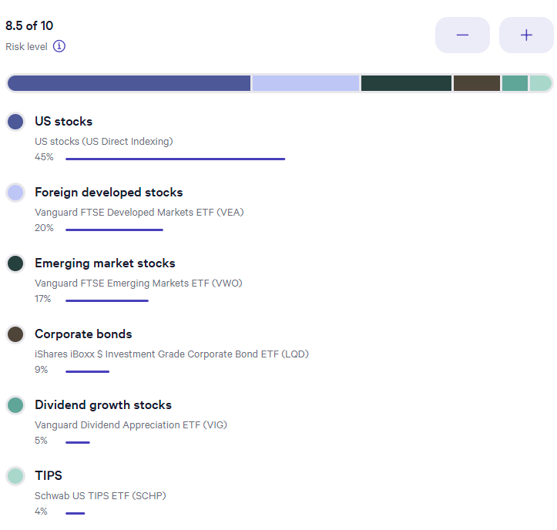
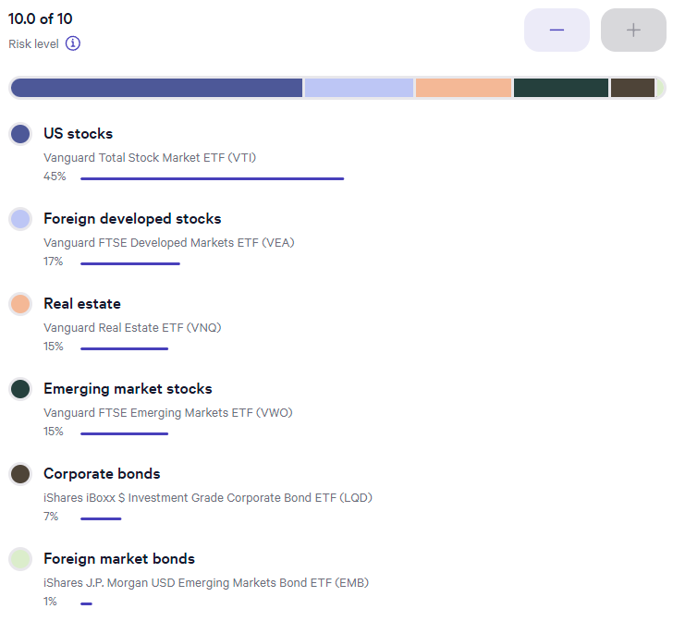
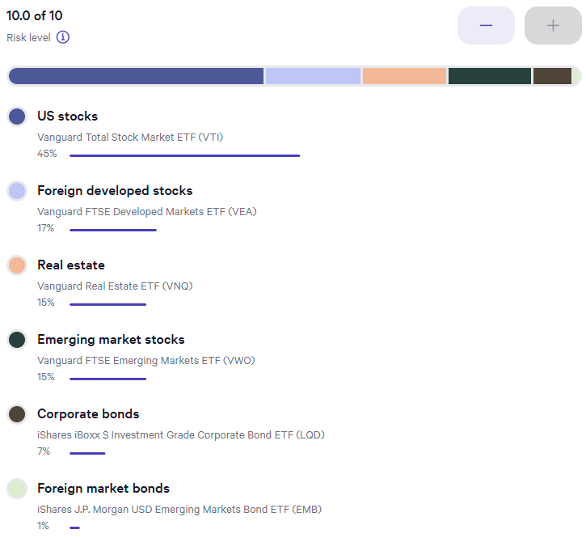
Date | Taxable | Taxable | Tax Free | Tax Free | Tax Deferred | Tax Deferred | Cash | Cash | Total Assets | Delta | Delta | Annual Periods | CPI-U | Inflated Withdrawal | Inflated Withdrawal | Withdrawal Delta | Guyton Klinger Upper | Guyton Klinger Upper | Guyton Klinger Lower | Guyton Klinger Lower | Guyton Klinger Pay Raise | Guyton Klinger Pay Cut | Guyton Klinger Adjustment | Annual Periods Adjustment | Paycheck | Paycheck Total | Paycheck Taxed | Pension | Pension Total | Social Security | Social Security Total | Social Security Taxed | Roth Conversion | Roth Conversion Total | Other Income | Other Income | Income | Income Total | Income Tax Total? | Spending Less Tax | Spending Less Tax Total | Invest | Invest | Invest Total | Cash Saved | Cash Saved | Cash Saved Total | Estimated Deductions | Taxable Income Total | Estimated Tax Withholding | Tax Target | Tax MFJ | Tax SF | Tax Rate | Married Filing Joint Tax | Single Filing Tax
2024-01-05 | $1,000.00 | 25.000% | $1,000.00 | 25.000% | $1,000.00 | 25.000% | $1,000.00 | 25.000% | $4,000.00 | $- | 0.00% | 52 | -0.03% | 5.132% | $205.28 | 0.00% | 20.00% | $246.33 | -20.00% | $164.22 | 10.00% | -10.00% | 5.132% | 0.0987% | $3.95 | $3.95 | 100% | $- | $- |  | $- | 85% |  | $- |  | $- | $3.95 | $3.95 | $- | $- | $- | 0.00% | $- | $- | 100.00% | $3.95 | $3.95 | $576.92 | $(572.98) | $0.19 | 22% | 0% | 0% | 10% | $- | $-
2024-01-12 |  | 0.000% |  | 0.000% |  | 0.000% |  | 0.000% | $- | $- | 0.00% | 52 |  | 0.000% | $- | 0.00% | 20.00% | $246.33 | -20.00% | $164.22 | 10.00% | -10.00% | 0.000% | 0.0000% | $- | $3.95 | 100% | $- | $- |  | $- | 85% |  | $- |  | $- | $- | $3.95 | $- | $9.62 | $9.62 | 0.00% | $- | $- | 100.00% | $(9.62) | $(5.67) | $576.92 | $(572.98) | $0.19 | 22% | 0% | 0% | 12% | $23,850 | $11,925
2024-01-19 |  | 0.000% |  | 0.000% |  | 0.000% |  | 0.000% | $- | $- | 0.00% | 52 |  | 0.000% | $- | 0.00% | 20.00% | $246.33 | -20.00% | $164.22 | 10.00% | -10.00% | 0.000% | 0.0000% | $- | $3.95 | 100% | $- | $- |  | $- | 85% |  | $- |  | $- | $- | $3.95 | $- | $9.62 | $19.23 | 0.00% | $- | $- | 100.00% | $(9.62) | $(15.28) | $576.92 | $(572.98) | $0.19 | 22% | 0% | 0% | 22% | $96,950 | $48,475
2024-01-26 |  | 0.000% |  | 0.000% |  | 0.000% |  | 0.000% | $- | $- | 0.00% | 52 |  | 0.000% | $- | 0.00% | 20.00% | $246.33 | -20.00% | $164.22 | 10.00% | -10.00% | 0.000% | 0.0000% | $- | $3.95 | 100% | $- | $- |  | $- | 85% |  | $- |  | $- | $- | $3.95 | $- | $9.62 | $28.85 | 0.00% | $- | $- | 100.00% | $(9.62) | $(24.90) | $576.92 | $(572.98) | $0.19 | 22% | 0% | 0% | 24% | $206,700 | $103,350
2024-02-02 |  | 0.000% |  | 0.000% |  | 0.000% |  | 0.000% | $- | $- | 0.00% | 52 |  | 0.000% | $- | 0.00% | 20.00% | $246.33 | -20.00% | $164.22 | 10.00% | -10.00% | 0.000% | 0.0000% | $- | $3.95 | 100% | $- | $- |  | $- | 85% |  | $- |  | $- | $- | $3.95 | $- | $9.62 | $38.46 | 0.00% | $- | $- | 100.00% | $(9.62) | $(34.51) | $576.92 | $(572.98) | $0.19 | 22% | 0% | 0% | 32% | $394,600 | $197,300
2024-02-09 |  | 0.000% |  | 0.000% |  | 0.000% |  | 0.000% | $- | $- | 0.00% | 52 |  | 0.000% | $- | 0.00% | 20.00% | $246.33 | -20.00% | $164.22 | 10.00% | -10.00% | 0.000% | 0.0000% | $- | $3.95 | 100% | $- | $- |  | $- | 85% |  | $- |  | $- | $- | $3.95 | $- | $9.62 | $48.08 | 0.00% | $- | $- | 100.00% | $(9.62) | $(44.13) | $576.92 | $(572.98) | $0.19 | 22% | 0% | 0% | 35% | $501,050 | $250,525
2024-02-16 |  | 0.000% |  | 0.000% |  | 0.000% |  | 0.000% | $- | $- | 0.00% | 52 |  | 0.000% | $- | 0.00% | 20.00% | $246.33 | -20.00% | $164.22 | 10.00% | -10.00% | 0.000% | 0.0000% | $- | $3.95 | 100% | $- | $- |  | $- | 85% |  | $- |  | $- | $- | $3.95 | $- | $9.62 | $57.69 | 0.00% | $- | $- | 100.00% | $(9.62) | $(53.74) | $576.92 | $(572.98) | $0.19 | 22% | 0% | 0% | 37% | $751,600 | $626,350
2024-02-23 |  | 0.000% |  | 0.000% |  | 0.000% |  | 0.000% | $- | $- | 0.00% | 52 |  | 0.000% | $- | 0.00% | 20.00% | $246.33 | -20.00% | $164.22 | 10.00% | -10.00% | 0.000% | 0.0000% | $- | $3.95 | 100% | $- | $- |  | $- | 85% |  | $- |  | $- | $- | $3.95 | $- | $9.62 | $67.31 | 0.00% | $- | $- | 100.00% | $(9.62) | $(63.36) | $576.92 | $(572.98) | $0.19 | 22% | 0% | 0%
2024-03-01 |  | 0.000% |  | 0.000% |  | 0.000% |  | 0.000% | $- | $- | 0.00% | 52 |  | 0.000% | $- | 0.00% | 20.00% | $246.33 | -20.00% | $164.22 | 10.00% | -10.00% | 0.000% | 0.0000% | $- | $3.95 | 100% | $- | $- |  | $- | 85% |  | $- |  | $- | $- | $3.95 | $- | $9.62 | $76.92 | 0.00% | $- | $- | 100.00% | $(9.62) | $(72.98) | $576.92 | $(572.98) | $0.19 | 22% | 0% | 0%
2024-03-08 |  | 0.000% |  | 0.000% |  | 0.000% |  | 0.000% | $- | $- | 0.00% | 52 |  | 0.000% | $- | 0.00% | 20.00% | $246.33 | -20.00% | $164.22 | 10.00% | -10.00% | 0.000% | 0.0000% | $- | $3.95 | 100% | $- | $- |  | $- | 85% |  | $- |  | $- | $- | $3.95 | $- | $9.62 | $86.54 | 0.00% | $- | $- | 100.00% | $(9.62) | $(82.59) | $576.92 | $(572.98) | $0.19 | 22% | 0% | 0%
2024-03-15 |  | 0.000% |  | 0.000% |  | 0.000% |  | 0.000% | $- | $- | 0.00% | 52 |  | 0.000% | $- | 0.00% | 20.00% | $246.33 | -20.00% | $164.22 | 10.00% | -10.00% | 0.000% | 0.0000% | $- | $3.95 | 100% | $- | $- |  | $- | 85% |  | $- |  | $- | $- | $3.95 | $- | $9.62 | $96.15 | 0.00% | $- | $- | 100.00% | $(9.62) | $(92.21) | $576.92 | $(572.98) | $0.19 | 22% | 0% | 0%
2024-03-22 |  | 0.000% |  | 0.000% |  | 0.000% |  | 0.000% | $- | $- | 0.00% | 52 |  | 0.000% | $- | 0.00% | 20.00% | $246.33 | -20.00% | $164.22 | 10.00% | -10.00% | 0.000% | 0.0000% | $- | $3.95 | 100% | $- | $- |  | $- | 85% |  | $- |  | $- | $- | $3.95 | $- | $9.62 | $105.77 | 0.00% | $- | $- | 100.00% | $(9.62) | $(101.82) | $576.92 | $(572.98) | $0.19 | 22% | 0% | 0%
2024-03-29 |  | 0.000% |  | 0.000% |  | 0.000% |  | 0.000% | $- | $- | 0.00% | 52 |  | 0.000% | $- | 0.00% | 20.00% | $246.33 | -20.00% | $164.22 | 10.00% | -10.00% | 0.000% | 0.0000% | $- | $3.95 | 100% | $- | $- |  | $- | 85% |  | $- |  | $- | $- | $3.95 | $- | $9.62 | $115.38 | 0.00% | $- | $- | 100.00% | $(9.62) | $(111.44) | $576.92 | $(572.98) | $0.19 | 22% | 0% | 0%
2024-04-05 |  | 0.000% |  | 0.000% |  | 0.000% |  | 0.000% | $- | $- | 0.00% | 52 |  | 0.000% | $- | 0.00% | 20.00% | $246.33 | -20.00% | $164.22 | 10.00% | -10.00% | 0.000% | 0.0000% | $- | $3.95 | 100% | $- | $- |  | $- | 85% |  | $- |  | $- | $- | $3.95 | $- | $9.62 | $125.00 | 0.00% | $- | $- | 100.00% | $(9.62) | $(121.05) | $576.92 | $(572.98) | $0.19 | 22% | 0% | 0%
2024-04-12 |  | 0.000% |  | 0.000% |  | 0.000% |  | 0.000% | $- | $- | 0.00% | 52 |  | 0.000% | $- | 0.00% | 20.00% | $246.33 | -20.00% | $164.22 | 10.00% | -10.00% | 0.000% | 0.0000% | $- | $3.95 | 100% | $- | $- |  | $- | 85% |  | $- |  | $- | $- | $3.95 | $- | $9.62 | $134.62 | 0.00% | $- | $- | 100.00% | $(9.62) | $(130.67) | $576.92 | $(572.98) | $0.19 | 22% | 0% | 0%
2024-04-19 |  | 0.000% |  | 0.000% |  | 0.000% |  | 0.000% | $- | $- | 0.00% | 52 |  | 0.000% | $- | 0.00% | 20.00% | $246.33 | -20.00% | $164.22 | 10.00% | -10.00% | 0.000% | 0.0000% | $- | $3.95 | 100% | $- | $- |  | $- | 85% |  | $- |  | $- | $- | $3.95 | $- | $9.62 | $144.23 | 0.00% | $- | $- | 100.00% | $(9.62) | $(140.28) | $576.92 | $(572.98) | $0.19 | 22% | 0% | 0%
2024-04-26 |  | 0.000% |  | 0.000% |  | 0.000% |  | 0.000% | $- | $- | 0.00% | 52 |  | 0.000% | $- | 0.00% | 20.00% | $246.33 | -20.00% | $164.22 | 10.00% | -10.00% | 0.000% | 0.0000% | $- | $3.95 | 100% | $- | $- |  | $- | 85% |  | $- |  | $- | $- | $3.95 | $- | $9.62 | $153.85 | 0.00% | $- | $- | 100.00% | $(9.62) | $(149.90) | $576.92 | $(572.98) | $0.19 | 22% | 0% | 0%
2024-05-03 |  | 0.000% |  | 0.000% |  | 0.000% |  | 0.000% | $- | $- | 0.00% | 52 |  | 0.000% | $- | 0.00% | 20.00% | $246.33 | -20.00% | $164.22 | 10.00% | -10.00% | 0.000% | 0.0000% | $- | $3.95 | 100% | $- | $- |  | $- | 85% |  | $- |  | $- | $- | $3.95 | $- | $9.62 | $163.46 | 0.00% | $- | $- | 100.00% | $(9.62) | $(159.51) | $576.92 | $(572.98) | $0.19 | 22% | 0% | 0%
2024-05-10 |  | 0.000% |  | 0.000% |  | 0.000% |  | 0.000% | $- | $- | 0.00% | 52 |  | 0.000% | $- | 0.00% | 20.00% | $246.33 | -20.00% | $164.22 | 10.00% | -10.00% | 0.000% | 0.0000% | $- | $3.95 | 100% | $- | $- |  | $- | 85% |  | $- |  | $- | $- | $3.95 | $- | $9.62 | $173.08 | 0.00% | $- | $- | 100.00% | $(9.62) | $(169.13) | $576.92 | $(572.98) | $0.19 | 22% | 0% | 0%
2024-05-17 |  | 0.000% |  | 0.000% |  | 0.000% |  | 0.000% | $- | $- | 0.00% | 52 |  | 0.000% | $- | 0.00% | 20.00% | $246.33 | -20.00% | $164.22 | 10.00% | -10.00% | 0.000% | 0.0000% | $- | $3.95 | 100% | $- | $- |  | $- | 85% |  | $- |  | $- | $- | $3.95 | $- | $9.62 | $182.69 | 0.00% | $- | $- | 100.00% | $(9.62) | $(178.74) | $576.92 | $(572.98) | $0.19 | 22% | 0% | 0%
2024-05-24 |  | 0.000% |  | 0.000% |  | 0.000% |  | 0.000% | $- | $- | 0.00% | 52 |  | 0.000% | $- | 0.00% | 20.00% | $246.33 | -20.00% | $164.22 | 10.00% | -10.00% | 0.000% | 0.0000% | $- | $3.95 | 100% | $- | $- |  | $- | 85% |  | $- |  | $- | $- | $3.95 | $- | $9.62 | $192.31 | 0.00% | $- | $- | 100.00% | $(9.62) | $(188.36) | $576.92 | $(572.98) | $0.19 | 22% | 0% | 0%
2024-05-31 |  | 0.000% |  | 0.000% |  | 0.000% |  | 0.000% | $- | $- | 0.00% | 52 |  | 0.000% | $- | 0.00% | 20.00% | $246.33 | -20.00% | $164.22 | 10.00% | -10.00% | 0.000% | 0.0000% | $- | $3.95 | 100% | $- | $- |  | $- | 85% |  | $- |  | $- | $- | $3.95 | $- | $9.62 | $201.92 | 0.00% | $- | $- | 100.00% | $(9.62) | $(197.98) | $576.92 | $(572.98) | $0.19 | 22% | 0% | 0%
2024-06-07 |  | 0.000% |  | 0.000% |  | 0.000% |  | 0.000% | $- | $- | 0.00% | 52 |  | 0.000% | $- | 0.00% | 20.00% | $246.33 | -20.00% | $164.22 | 10.00% | -10.00% | 0.000% | 0.0000% | $- | $3.95 | 100% | $- | $- |  | $- | 85% |  | $- |  | $- | $- | $3.95 | $- | $9.62 | $211.54 | 0.00% | $- | $- | 100.00% | $(9.62) | $(207.59) | $576.92 | $(572.98) | $0.19 | 22% | 0% | 0%
2024-06-14 |  | 0.000% |  | 0.000% |  | 0.000% |  | 0.000% | $- | $- | 0.00% | 52 |  | 0.000% | $- | 0.00% | 20.00% | $246.33 | -20.00% | $164.22 | 10.00% | -10.00% | 0.000% | 0.0000% | $- | $3.95 | 100% | $- | $- |  | $- | 85% |  | $- |  | $- | $- | $3.95 | $- | $9.62 | $221.15 | 0.00% | $- | $- | 100.00% | $(9.62) | $(217.21) | $576.92 | $(572.98) | $0.19 | 22% | 0% | 0%
2024-06-21 |  | 0.000% |  | 0.000% |  | 0.000% |  | 0.000% | $- | $- | 0.00% | 52 |  | 0.000% | $- | 0.00% | 20.00% | $246.33 | -20.00% | $164.22 | 10.00% | -10.00% | 0.000% | 0.0000% | $- | $3.95 | 100% | $- | $- |  | $- | 85% |  | $- |  | $- | $- | $3.95 | $- | $9.62 | $230.77 | 0.00% | $- | $- | 100.00% | $(9.62) | $(226.82) | $576.92 | $(572.98) | $0.19 | 22% | 0% | 0%
2024-06-28 |  | 0.000% |  | 0.000% |  | 0.000% |  | 0.000% | $- | $- | 0.00% | 52 |  | 0.000% | $- | 0.00% | 20.00% | $246.33 | -20.00% | $164.22 | 10.00% | -10.00% | 0.000% | 0.0000% | $- | $3.95 | 100% | $- | $- |  | $- | 85% |  | $- |  | $- | $- | $3.95 | $- | $9.62 | $240.38 | 0.00% | $- | $- | 100.00% | $(9.62) | $(236.44) | $576.92 | $(572.98) | $0.19 | 22% | 0% | 0%
2024-07-05 |  | 0.000% |  | 0.000% |  | 0.000% |  | 0.000% | $- | $- | 0.00% | 52 |  | 0.000% | $- | 0.00% | 20.00% | $246.33 | -20.00% | $164.22 | 10.00% | -10.00% | 0.000% | 0.0000% | $- | $3.95 | 100% | $- | $- |  | $- | 85% |  | $- |  | $- | $- | $3.95 | $- | $9.62 | $250.00 | 0.00% | $- | $- | 100.00% | $(9.62) | $(246.05) | $576.92 | $(572.98) | $0.19 | 22% | 0% | 0%
2024-07-12 |  | 0.000% |  | 0.000% |  | 0.000% |  | 0.000% | $- | $- | 0.00% | 52 |  | 0.000% | $- | 0.00% | 20.00% | $246.33 | -20.00% | $164.22 | 10.00% | -10.00% | 0.000% | 0.0000% | $- | $3.95 | 100% | $- | $- |  | $- | 85% |  | $- |  | $- | $- | $3.95 | $- | $9.62 | $259.62 | 0.00% | $- | $- | 100.00% | $(9.62) | $(255.67) | $576.92 | $(572.98) | $0.19 | 22% | 0% | 0%
2024-07-19 |  | 0.000% |  | 0.000% |  | 0.000% |  | 0.000% | $- | $- | 0.00% | 52 |  | 0.000% | $- | 0.00% | 20.00% | $246.33 | -20.00% | $164.22 | 10.00% | -10.00% | 0.000% | 0.0000% | $- | $3.95 | 100% | $- | $- |  | $- | 85% |  | $- |  | $- | $- | $3.95 | $- | $9.62 | $269.23 | 0.00% | $- | $- | 100.00% | $(9.62) | $(265.28) | $576.92 | $(572.98) | $0.19 | 22% | 0% | 0%
2024-07-26 |  | 0.000% |  | 0.000% |  | 0.000% |  | 0.000% | $- | $- | 0.00% | 52 |  | 0.000% | $- | 0.00% | 20.00% | $246.33 | -20.00% | $164.22 | 10.00% | -10.00% | 0.000% | 0.0000% | $- | $3.95 | 100% | $- | $- |  | $- | 85% |  | $- |  | $- | $- | $3.95 | $- | $9.62 | $278.85 | 0.00% | $- | $- | 100.00% | $(9.62) | $(274.90) | $576.92 | $(572.98) | $0.19 | 22% | 0% | 0%
2024-08-02 |  | 0.000% |  | 0.000% |  | 0.000% |  | 0.000% | $- | $- | 0.00% | 52 |  | 0.000% | $- | 0.00% | 20.00% | $246.33 | -20.00% | $164.22 | 10.00% | -10.00% | 0.000% | 0.0000% | $- | $3.95 | 100% | $- | $- |  | $- | 85% |  | $- |  | $- | $- | $3.95 | $- | $9.62 | $288.46 | 0.00% | $- | $- | 100.00% | $(9.62) | $(284.51) | $576.92 | $(572.98) | $0.19 | 22% | 0% | 0%
2024-08-09 |  | 0.000% |  | 0.000% |  | 0.000% |  | 0.000% | $- | $- | 0.00% | 52 |  | 0.000% | $- | 0.00% | 20.00% | $246.33 | -20.00% | $164.22 | 10.00% | -10.00% | 0.000% | 0.0000% | $- | $3.95 | 100% | $- | $- |  | $- | 85% |  | $- |  | $- | $- | $3.95 | $- | $9.62 | $298.08 | 0.00% | $- | $- | 100.00% | $(9.62) | $(294.13) | $576.92 | $(572.98) | $0.19 | 22% | 0% | 0%
2024-08-16 |  | 0.000% |  | 0.000% |  | 0.000% |  | 0.000% | $- | $- | 0.00% | 52 |  | 0.000% | $- | 0.00% | 20.00% | $246.33 | -20.00% | $164.22 | 10.00% | -10.00% | 0.000% | 0.0000% | $- | $3.95 | 100% | $- | $- |  | $- | 85% |  | $- |  | $- | $- | $3.95 | $- | $9.62 | $307.69 | 0.00% | $- | $- | 100.00% | $(9.62) | $(303.74) | $576.92 | $(572.98) | $0.19 | 22% | 0% | 0%
2024-08-23 |  | 0.000% |  | 0.000% |  | 0.000% |  | 0.000% | $- | $- | 0.00% | 52 |  | 0.000% | $- | 0.00% | 20.00% | $246.33 | -20.00% | $164.22 | 10.00% | -10.00% | 0.000% | 0.0000% | $- | $3.95 | 100% | $- | $- |  | $- | 85% |  | $- |  | $- | $- | $3.95 | $- | $9.62 | $317.31 | 0.00% | $- | $- | 100.00% | $(9.62) | $(313.36) | $576.92 | $(572.98) | $0.19 | 22% | 0% | 0%
2024-08-30 |  | 0.000% |  | 0.000% |  | 0.000% |  | 0.000% | $- | $- | 0.00% | 52 |  | 0.000% | $- | 0.00% | 20.00% | $246.33 | -20.00% | $164.22 | 10.00% | -10.00% | 0.000% | 0.0000% | $- | $3.95 | 100% | $- | $- |  | $- | 85% |  | $- |  | $- | $- | $3.95 | $- | $9.62 | $326.92 | 0.00% | $- | $- | 100.00% | $(9.62) | $(322.98) | $576.92 | $(572.98) | $0.19 | 22% | 0% | 0%
2024-09-06 |  | 0.000% |  | 0.000% |  | 0.000% |  | 0.000% | $- | $- | 0.00% | 52 |  | 0.000% | $- | 0.00% | 20.00% | $246.33 | -20.00% | $164.22 | 10.00% | -10.00% | 0.000% | 0.0000% | $- | $3.95 | 100% | $- | $- |  | $- | 85% |  | $- |  | $- | $- | $3.95 | $- | $9.62 | $336.54 | 0.00% | $- | $- | 100.00% | $(9.62) | $(332.59) | $576.92 | $(572.98) | $0.19 | 22% | 0% | 0%
2024-09-13 |  | 0.000% |  | 0.000% |  | 0.000% |  | 0.000% | $- | $- | 0.00% | 52 |  | 0.000% | $- | 0.00% | 20.00% | $246.33 | -20.00% | $164.22 | 10.00% | -10.00% | 0.000% | 0.0000% | $- | $3.95 | 100% | $- | $- |  | $- | 85% |  | $- |  | $- | $- | $3.95 | $- | $9.62 | $346.15 | 0.00% | $- | $- | 100.00% | $(9.62) | $(342.21) | $576.92 | $(572.98) | $0.19 | 22% | 0% | 0%
2024-09-20 |  | 0.000% |  | 0.000% |  | 0.000% |  | 0.000% | $- | $- | 0.00% | 52 |  | 0.000% | $- | 0.00% | 20.00% | $246.33 | -20.00% | $164.22 | 10.00% | -10.00% | 0.000% | 0.0000% | $- | $3.95 | 100% | $- | $- |  | $- | 85% |  | $- |  | $- | $- | $3.95 | $- | $9.62 | $355.77 | 0.00% | $- | $- | 100.00% | $(9.62) | $(351.82) | $576.92 | $(572.98) | $0.19 | 22% | 0% | 0%
2024-09-27 |  | 0.000% |  | 0.000% |  | 0.000% |  | 0.000% | $- | $- | 0.00% | 52 |  | 0.000% | $- | 0.00% | 20.00% | $246.33 | -20.00% | $164.22 | 10.00% | -10.00% | 0.000% | 0.0000% | $- | $3.95 | 100% | $- | $- |  | $- | 85% |  | $- |  | $- | $- | $3.95 | $- | $9.62 | $365.38 | 0.00% | $- | $- | 100.00% | $(9.62) | $(361.44) | $576.92 | $(572.98) | $0.19 | 22% | 0% | 0%
2024-10-04 |  | 0.000% |  | 0.000% |  | 0.000% |  | 0.000% | $- | $- | 0.00% | 52 |  | 0.000% | $- | 0.00% | 20.00% | $246.33 | -20.00% | $164.22 | 10.00% | -10.00% | 0.000% | 0.0000% | $- | $3.95 | 100% | $- | $- |  | $- | 85% |  | $- |  | $- | $- | $3.95 | $- | $9.62 | $375.00 | 0.00% | $- | $- | 100.00% | $(9.62) | $(371.05) | $576.92 | $(572.98) | $0.19 | 22% | 0% | 0%
2024-10-11 |  | 0.000% |  | 0.000% |  | 0.000% |  | 0.000% | $- | $- | 0.00% | 52 |  | 0.000% | $- | 0.00% | 20.00% | $246.33 | -20.00% | $164.22 | 10.00% | -10.00% | 0.000% | 0.0000% | $- | $3.95 | 100% | $- | $- |  | $- | 85% |  | $- |  | $- | $- | $3.95 | $- | $9.62 | $384.62 | 0.00% | $- | $- | 100.00% | $(9.62) | $(380.67) | $576.92 | $(572.98) | $0.19 | 22% | 0% | 0%
2024-10-18 |  | 0.000% |  | 0.000% |  | 0.000% |  | 0.000% | $- | $- | 0.00% | 52 |  | 0.000% | $- | 0.00% | 20.00% | $246.33 | -20.00% | $164.22 | 10.00% | -10.00% | 0.000% | 0.0000% | $- | $3.95 | 100% | $- | $- |  | $- | 85% |  | $- |  | $- | $- | $3.95 | $- | $9.62 | $394.23 | 0.00% | $- | $- | 100.00% | $(9.62) | $(390.28) | $576.92 | $(572.98) | $0.19 | 22% | 0% | 0%
2024-10-25 |  | 0.000% |  | 0.000% |  | 0.000% |  | 0.000% | $- | $- | 0.00% | 52 |  | 0.000% | $- | 0.00% | 20.00% | $246.33 | -20.00% | $164.22 | 10.00% | -10.00% | 0.000% | 0.0000% | $- | $3.95 | 100% | $- | $- |  | $- | 85% |  | $- |  | $- | $- | $3.95 | $- | $9.62 | $403.85 | 0.00% | $- | $- | 100.00% | $(9.62) | $(399.90) | $576.92 | $(572.98) | $0.19 | 22% | 0% | 0%
2024-11-01 |  | 0.000% |  | 0.000% |  | 0.000% |  | 0.000% | $- | $- | 0.00% | 52 |  | 0.000% | $- | 0.00% | 20.00% | $246.33 | -20.00% | $164.22 | 10.00% | -10.00% | 0.000% | 0.0000% | $- | $3.95 | 100% | $- | $- |  | $- | 85% |  | $- |  | $- | $- | $3.95 | $- | $9.62 | $413.46 | 0.00% | $- | $- | 100.00% | $(9.62) | $(409.51) | $576.92 | $(572.98) | $0.19 | 22% | 0% | 0%
2024-11-08 |  | 0.000% |  | 0.000% |  | 0.000% |  | 0.000% | $- | $- | 0.00% | 52 |  | 0.000% | $- | 0.00% | 20.00% | $246.33 | -20.00% | $164.22 | 10.00% | -10.00% | 0.000% | 0.0000% | $- | $3.95 | 100% | $- | $- |  | $- | 85% |  | $- |  | $- | $- | $3.95 | $- | $9.62 | $423.08 | 0.00% | $- | $- | 100.00% | $(9.62) | $(419.13) | $576.92 | $(572.98) | $0.19 | 22% | 0% | 0%
2024-11-15 |  | 0.000% |  | 0.000% |  | 0.000% |  | 0.000% | $- | $- | 0.00% | 52 |  | 0.000% | $- | 0.00% | 20.00% | $246.33 | -20.00% | $164.22 | 10.00% | -10.00% | 0.000% | 0.0000% | $- | $3.95 | 100% | $- | $- |  | $- | 85% |  | $- |  | $- | $- | $3.95 | $- | $9.62 | $432.69 | 0.00% | $- | $- | 100.00% | $(9.62) | $(428.74) | $576.92 | $(572.98) | $0.19 | 22% | 0% | 0%
2024-11-22 |  | 0.000% |  | 0.000% |  | 0.000% |  | 0.000% | $- | $- | 0.00% | 52 |  | 0.000% | $- | 0.00% | 20.00% | $246.33 | -20.00% | $164.22 | 10.00% | -10.00% | 0.000% | 0.0000% | $- | $3.95 | 100% | $- | $- |  | $- | 85% |  | $- |  | $- | $- | $3.95 | $- | $9.62 | $442.31 | 0.00% | $- | $- | 100.00% | $(9.62) | $(438.36) | $576.92 | $(572.98) | $0.19 | 22% | 0% | 0%
2024-11-29 |  | 0.000% |  | 0.000% |  | 0.000% |  | 0.000% | $- | $- | 0.00% | 52 |  | 0.000% | $- | 0.00% | 20.00% | $246.33 | -20.00% | $164.22 | 10.00% | -10.00% | 0.000% | 0.0000% | $- | $3.95 | 100% | $- | $- |  | $- | 85% |  | $- |  | $- | $- | $3.95 | $- | $9.62 | $451.92 | 0.00% | $- | $- | 100.00% | $(9.62) | $(447.98) | $576.92 | $(572.98) | $0.19 | 22% | 0% | 0%
2024-12-06 |  | 0.000% |  | 0.000% |  | 0.000% |  | 0.000% | $- | $- | 0.00% | 52 |  | 0.000% | $- | 0.00% | 20.00% | $246.33 | -20.00% | $164.22 | 10.00% | -10.00% | 0.000% | 0.0000% | $- | $3.95 | 100% | $- | $- |  | $- | 85% |  | $- |  | $- | $- | $3.95 | $- | $9.62 | $461.54 | 0.00% | $- | $- | 100.00% | $(9.62) | $(457.59) | $576.92 | $(572.98) | $0.19 | 22% | 0% | 0%
2024-12-13 |  | 0.000% |  | 0.000% |  | 0.000% |  | 0.000% | $- | $- | 0.00% | 52 |  | 0.000% | $- | 0.00% | 20.00% | $246.33 | -20.00% | $164.22 | 10.00% | -10.00% | 0.000% | 0.0000% | $- | $3.95 | 100% | $- | $- |  | $- | 85% |  | $- |  | $- | $- | $3.95 | $- | $9.62 | $471.15 | 0.00% | $- | $- | 100.00% | $(9.62) | $(467.21) | $576.92 | $(572.98) | $0.19 | 22% | 0% | 0%
2024-12-20 |  | 0.000% |  | 0.000% |  | 0.000% |  | 0.000% | $- | $- | 0.00% | 52 |  | 0.000% | $- | 0.00% | 20.00% | $246.33 | -20.00% | $164.22 | 10.00% | -10.00% | 0.000% | 0.0000% | $- | $3.95 | 100% | $- | $- |  | $- | 85% |  | $- |  | $- | $- | $3.95 | $- | $9.62 | $480.77 | 0.00% | $- | $- | 100.00% | $(9.62) | $(476.82) | $576.92 | $(572.98) | $0.19 | 22% | 0% | 0%
2024-12-27 |  | 0.000% |  | 0.000% |  | 0.000% |  | 0.000% | $- | $- | 0.00% | 52 |  | 0.000% | $- | 0.00% | 20.00% | $246.33 | -20.00% | $164.22 | 10.00% | -10.00% | 0.000% | 0.0000% | $- | $3.95 | 100% | $- | $- |  | $- | 85% |  | $- |  | $- | $- | $3.95 | $- | $9.62 | $490.38 | 0.00% | $- | $- | 100.00% | $(9.62) | $(486.44) | $576.92 | $(572.98) | $0.19 | 22% | 0% | 0%
2025-01-03 |  | 0.000% |  | 0.000% |  | 0.000% |  | 0.000% | $- | $- | 0.00% | 52 |  | 0.000% | $- | 0.00% | 20.00% | $246.33 | -20.00% | $164.22 | 10.00% | -10.00% | 0.000% | 0.0000% | $- | $3.95 | 100% | $- | $- |  | $- | 85% |  | $- |  | $- | $- | $3.95 | $- | $9.62 | $500.00 | 0.00% | $- | $- | 0.00% | $- | $(486.44) | $576.92 | $(572.98) | $0.19 | 22% | 0% | 0%
Totals |  |  |  |  |  |  |  |  | $4,000.00 |  |  | Estimated | -0.03% |  |  |  |  |  |  |  |  |  |  | 0.099% | $3.95 |  |  | $- |  | $- |  |  | $- |  | $- |  | $3.95 |  |  | $500.00 |  |  | $- |  |  | $(486.44) |  | $30,000.00 |  | $10.00
 |  |  |  |  |  |  |  |  |  |  |  | Actual
 | Taxable Return | Taxable % | Tax Free Return | Tax Free % | Tax Deferred Return | Tax Deferred % | Cash Return | Cash % | Composite Return |  | Normalization Factor |  |  |  |  |  | Spending Percentage
Money Weighted Return | 0.00% | 0.000% | 0.00% | 0.000% | 0.00% | 0.000% | 0.00% | 0.000% | 0.000% |  | $1,000,000.00 |  |  |  |  | Spent | 3.57% |  |  |  |  |  |  |  |  |  |  | Pension Projection | Current Date and Commencement Age
 |  |  |  |  |  |  |  |  |  |  | 250 | Calculated |  |  |  | Tax | 0.07% |  |  |  |  |  |  |  |  |  |  | $100.00 | 1/1/2023 59.5
 |  |  |  |  |  |  |  |  |  |  | 1 | Applied |  |  |  | Total | 3.64%

Percent Asset Location
Percent Withdrawn
 |  |  |  |  |  |  |  |  |  |  |  |  |  |  |  |  |  |  |  |  |  |  |  |  |  |  |  | $10,000.00 | 4/28/2024 60

 | Taxable Portfolio |  |  |  |  |  |  |  | Tax Free Portfolio |  |  |  |  |  |  |  |  | Tax Deferred Portfolio

